Inputs
 | pipeNominalOD |  | 0.24765 | m
 | pipeNominalWT |  | 0.034925 | m
 | pipeMinimumWT |  | 0.034925 | m
 | pipeNominalID |  | 0.1778
 | pipeExternalPressure |  | 0
 | pipeInternalPressure |  | 0.00E+00
 | pipeTensionEffective |  | 6674724 | N
 | pipeMoment |  | 0
 | pipeYieldStrength |  | 5.52E+08 | Pa

 | pipeMinimumID |  | 0.1778 | m

 | pipeA |  | 0.023340213256 | m^2
 | pipeAi |  | 0.024828666476 | m^2
 | pipeAo |  | 0.048168879732 | m^2

 | pipeI |  | 0.00013558236884 | m^4
 | pipeTensionEffective + (pipeInternalPressure*pipeAi) - (pipeExternalPressure*pipeAo)
 | pipeTensionTrue |  | 6674724

 |  |  | 0

 |  |  | 0

 | T/A |  | 285975279.09
 | M/2I |  | 0

 |  |  | 285975279.09 |  | Considering Addition

 |  |  | 285975279.09 |  | Considering Subtraction

 |  |  | 0.70710678119

 |  |  | 1.6356372051E+17

 |  |  | 285975279.09 | Pa |  | L.H.S of Equation(5)

 |  |  | 41.477207606 | Ksi |  | L.H.S of Equation(5)

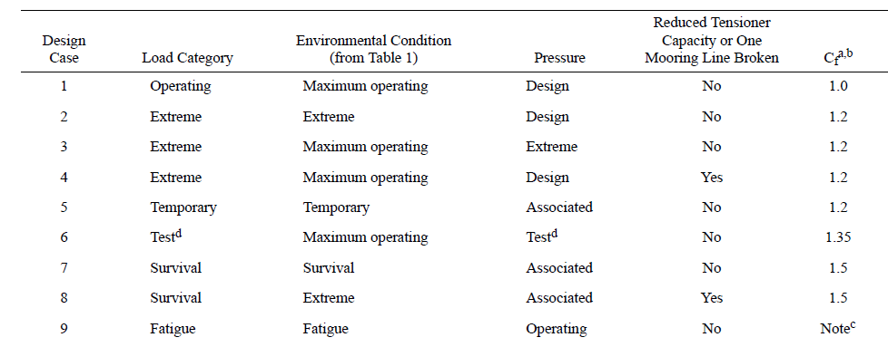
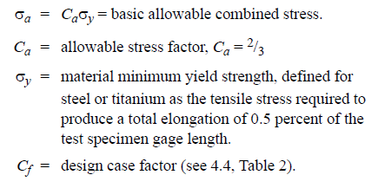

Cf |  | 1.5 |  | Considering Survival load category

 |  |  | 3.68E+08

 |  |  | 5.52E+08 |  | R.H.S of Equation(5)

 |  |  | 8.00E+01 | Ksi

